Calculator Sheet
EMPLOYEE NAME: |  |  |  |  |  |  |  |  | EMPLOYEE ID NUMBER: |  |  |  | DIVISION NAME:
JOB TITLE: |  |  |  |  |  |  |  |  |  |  |  |  | HOME ORGANIZATION NAME:

PURPOSE OF TRIP:
DAY TRAVEL (returning same day) or AWAY TRAVEL (overnight stay): |  |  |  |  | PRIMARY MODE OF TRANSPORTATION: |  |  |  | PASSENGER or DRIVER:
REGULAR WORKING DAYS: (SCHEDULED) |  |  |  | FIRST DAY |  | SECOND DAY |  | THIRD DAY |  | FOURTH DAY |  | FIFTH DAY |  | SIXTH DAY |  |  | SEVENTH DAY
FLSA DESIGNATED NON-EXEMPT EMPLOYEE BUSINESS TRAVEL WORKSHEET FOR CALCULATING WORKING TRAVEL TIME
REGULAR WORKING HOURS: |  |  |  |  | AM PM |  | AM PM |  | AM PM |  | AM PM |  | AM PM |  | AM PM |  |  | AM PM
HOME TIME ZONE: |  |  | START TIME:
 |  |  | END TIME:

TRAVEL ACTIVITY DESCRIPTION |  | DATE | LOCATION | DAY OF WEEK | TIME OF DAY LOCAL TIME ZONE (COUNT OF NUMBER OF HOURS) |  |  |  | TIME OF DAY HOME TIME ZONE (ADJUSTED COUNT OF NUMBER OF HOURS) |  |  |  | TRAVEL STATUS? | IF YES, ARE HOURS COINCIDING WITH "REGULAR WORKING HOURS"? | IF YES OR PARTIAL, COUNT OF HOURS COINCIDING | IF DRIVER, ADD IN TRAVEL TIME THAT DOES NOT COINCIDE WITH WORKING HOURS | IS THE PASSENGER PEFORMING "PRINCIPAL" or "INCIDENTAL" WORK ACTIVITY DURING THE TIME IN TRAVEL STATUS WHICH DID NOT COINCIDE WITH NORMAL WORKING HOURS? | If "YES", ADD AMOUNT OF "WORKING TIME" | IF APPLICABLE ENTER AMOUNT OF TIME TO DEDUCT FOR "HOME TO WORK" TRAVEL | IF APPLICABLE ENTER AMOUNT OF TIME TO DEDUCT "NORMAL MEAL TIME" (This is non-working time (unpaid)) | This column is reserved for ACTUAL CONFERENCE MEETING HOURS, or OUTSIDE BUSINESS MEETING HOURS, that are not accounted for in previous columns | WORKING TRAVEL TIME
15 minutes = .25 hours 30 minutes=.5 hours 45 minutes=.75 hours
 | From |  |  |  |  |  |  |  |  |  |  |  |  |  |  |  |  |  |  |  |  | 0.00
 | To
 | From |  |  |  |  |  |  |  |  |  |  |  |  |  |  |  |  |  |  |  |  | 0.00
 | To
 | From |  |  |  |  |  |  |  |  |  |  |  |  |  |  |  |  |  |  |  |  | 0.00
 | To
 | From |  |  |  |  |  |  |  |  |  |  |  |  |  |  |  |  |  |  |  |  | 0.00
 | To
 | From |  |  |  |  |  |  |  |  |  |  |  |  |  |  |  |  |  |  |  |  | 0.00
 | To
 | From |  |  |  |  |  |  |  |  |  |  |  |  |  |  |  |  |  |  |  |  | 0.00
 | To
 | From |  |  |  |  |  |  |  |  |  |  |  |  |  |  |  |  |  |  |  |  | 0.00
 | To
 | From |  |  |  |  |  |  |  |  |  |  |  |  |  |  |  |  |  |  |  |  | 0.00
 | To
 | From |  |  |  |  |  |  |  |  |  |  |  |  |  |  |  |  |  |  |  |  | 0.00
 | To
 | From |  |  |  |  |  |  |  |  |  |  |  |  |  |  |  |  |  |  |  |  | 0.00
 | To
 | From |  |  |  |  |  |  |  |  |  |  |  |  |  |  |  |  |  |  |  |  | 0.00
 | To
 | From |  |  |  |  |  |  |  |  |  |  |  |  |  |  |  |  |  |  |  |  | 0.00
 | To
 | From |  |  |  |  |  |  |  |  |  |  |  |  |  |  |  |  |  |  |  |  | 0.00
 | To
 | From |  |  |  |  |  |  |  |  |  |  |  |  |  |  |  |  |  |  |  |  | 0.00
 | To
 | From |  |  |  |  |  |  |  |  |  |  |  |  |  |  |  |  |  |  |  |  | 0.00
 | To
TOTAL WORKING TRAVEL TIME: |  |  |  |  |  |  |  |  |  |  |  |  |  |  |  |  |  |  |  |  |  | 0.00

TIMEZONEMAP
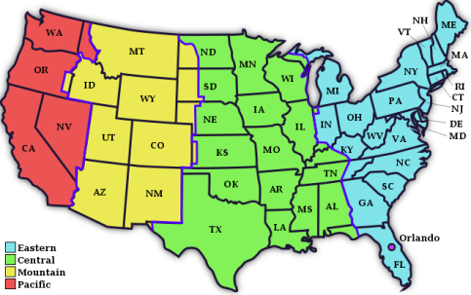

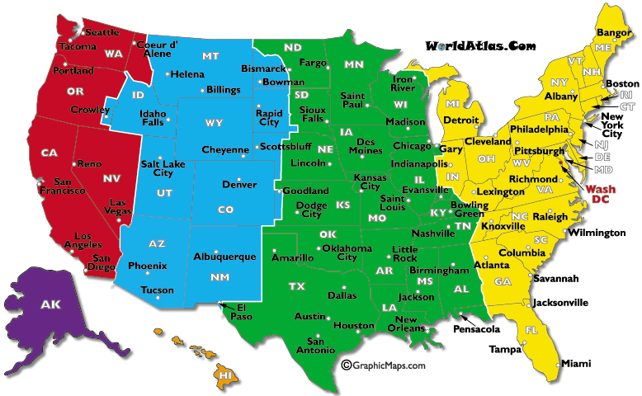

Central Time Zone is 2 hours ahead of Pacific Time Zone
Central Time Zone is 1 hour behind Eastern Time Zone
Central Time Zone is 1 hour ahead of Mountain Time Zone

GOOD TO KNOW
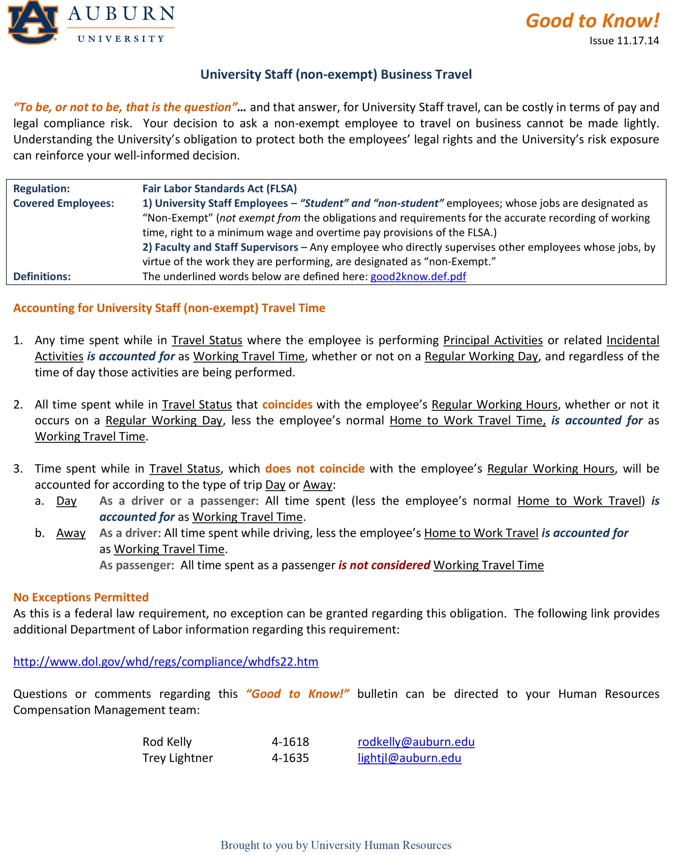

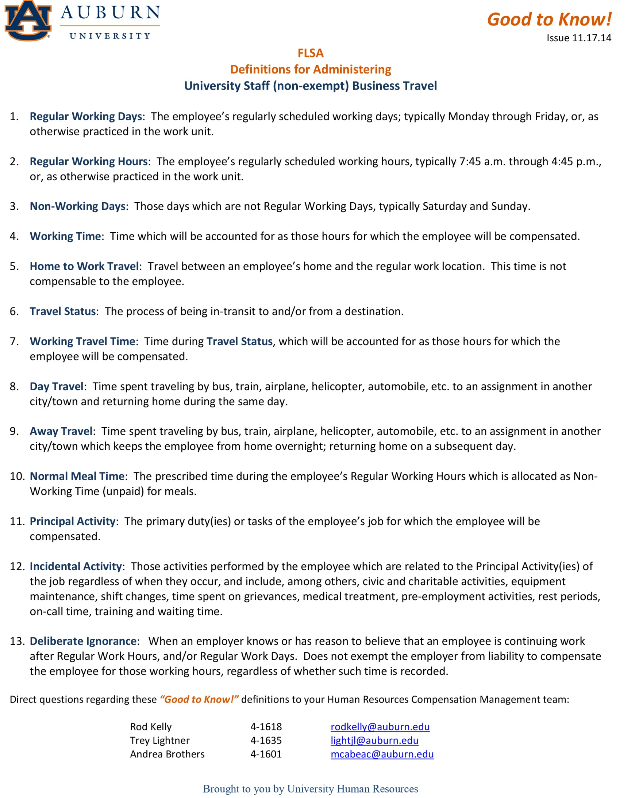

DECISION TREE
